Sheet1
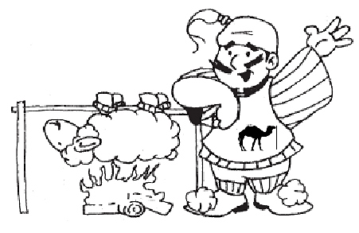
Order More Great Food

From

St. Michael's

Orthodox Christian Church
1182 Ashland Street, Greensburg, PA 15601
To order goodies on-line

…Download this form…order quantity…total will calculate…then email form to
secretary@stmichaels.comcastbiz.net

Product |  |  | Quanitiy | Unit Price* | Total
Baklava Log |  |  | 0 | $8.00 | $0.00
Galatoboureko (tray) |  |  | 0 | $15.00 | $0.00
Grapeleave Tray (tray of 40) |  |  | 0 | $20.00 | $0.00
Kibbee Tray |  |  | 0 | $25.00 | $0.00
Meat Pies |  |  | 0 | 6/$12 | $0.00
Pastitsio Tray |  |  | 0 | $25.00 | $0.00
Rolls, Apricot |  |  | 0 | $11.00 | $0.00
Rolls, Nut |  |  | 0 | $11.00 | $0.00
Rolls, Poppyseed |  |  | 0 | $11.00 | $0.00
Simboosic |  |  | 0 | $1.00 | $0.00
Spanakopita |  |  | 0 | $25.00 | $0.00
Spinach Pies |  |  | 0 | 6/$12 | $0.00
Syrian Bread |  |  | 0 | $3.00 | $0.00

*Prices effective through December 31, 2014 WHILE SUPPLIES LAST Total Due>>>>> |  |  |  |  | $0.00

Name |  |  |  | Phone

 | Order Pick-up >>>> | Saturday, Sept. 6th 10am to 6pm or Sunday, Sept. 7th, 11am to 4pm

